Sheet1
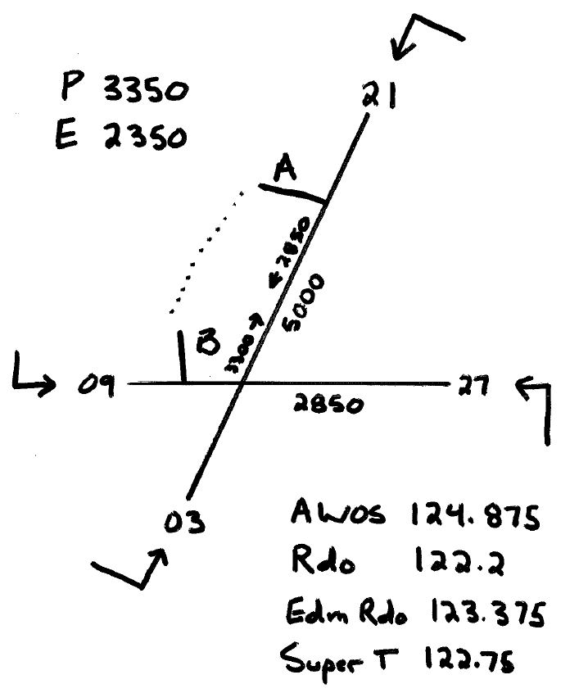
 | STUD | Lesson
 | A/C | Wx/Notams
 | AREA | Safety Hzds/Iss
 | LESSON | Fuel and Oil
 | FLT TIME | Airworthy
 |  | Route/Alt

 |  |  | START
 |  |  | T/O
 |  |  | LDG
 |  |  | S/DN

 |  | MPH | VR | 60
ATIS |  |  | VX | 74
 |  |  | VY | 85
EXERCISES |  |  | VA | 129
 |  |  | VSO | 55
 |  |  | VS | 64
 |  |  | VF | 115

 |  |  | VNO | 149
 |  |  | VNE | 171
 |  |  | VAPP | 85/82/79/76
 |  |  | Vglide | 83

 |  |  | CHEROKEE

V2.0

